List1
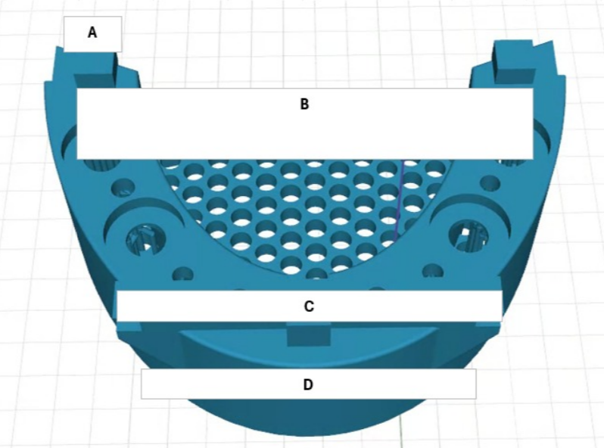
 |  |  |  |  |  | SCALE COMP | 1.0091
 |  |  |  |  |  | PIXEL COMP | 0.012

2.5s | A | 4.96 | 5 |  | 1.0080645161 | 4.993136
 | B | 59.45 | 60 |  | 1.0092514718 | 59.978995
 | C | 44.7 | 45 |  | 1.0067114094 | 45.09477
 | D | 38.68 | 39 |  | 1.0082730093 | 39.019988
 |  | 66.4 | 67 |  | 1.0090361446 | 66.99224

 |  |  |  |  |  | SCALE COMP | 1.006
 |  |  |  |  | 1.2603341378 | PIXEL COMP | -0.012

3.0s | A | 4.99 | 5 |  | 1.002004008 | 5.00794
 | B | 59.6 | 60 |  | 1.0067114094 | 59.9456
 | C | 44.79 | 45 |  | 1.0046885466 | 45.04674
 | D | 38.82 | 39 |  | 1.0046367852 | 39.04092
 |  |  | 67 |  |  | -0.012

 |  |  |  | 1.0070493454

